Signature
CILT
Annual Statement 2020

I attach:

Latest Annual Report dated:

Latest Financial Accounts dated: |  | YES

Up to date register of members dated: |  | YES

Current Business plan dated: |  | YES

I confirm that the above information is correct.
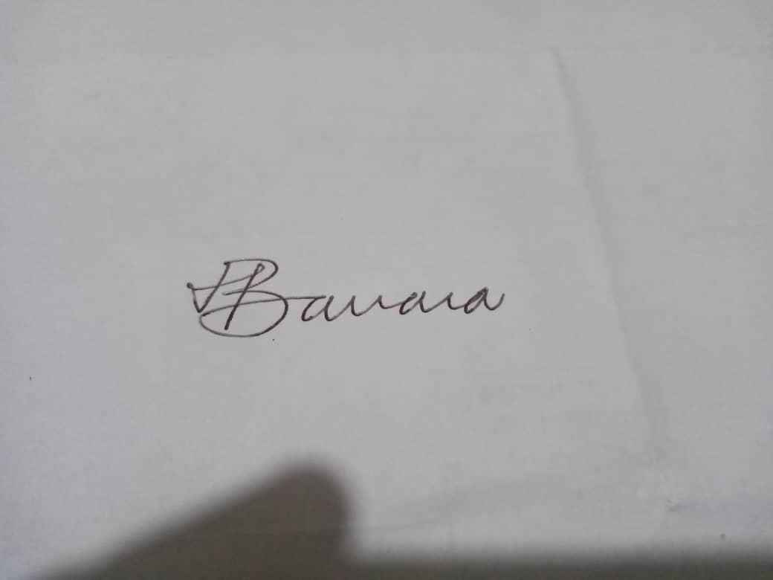
Signature:

Name: | Mazikhethela Banana

CILT Position: | President

Date:

